pin definition
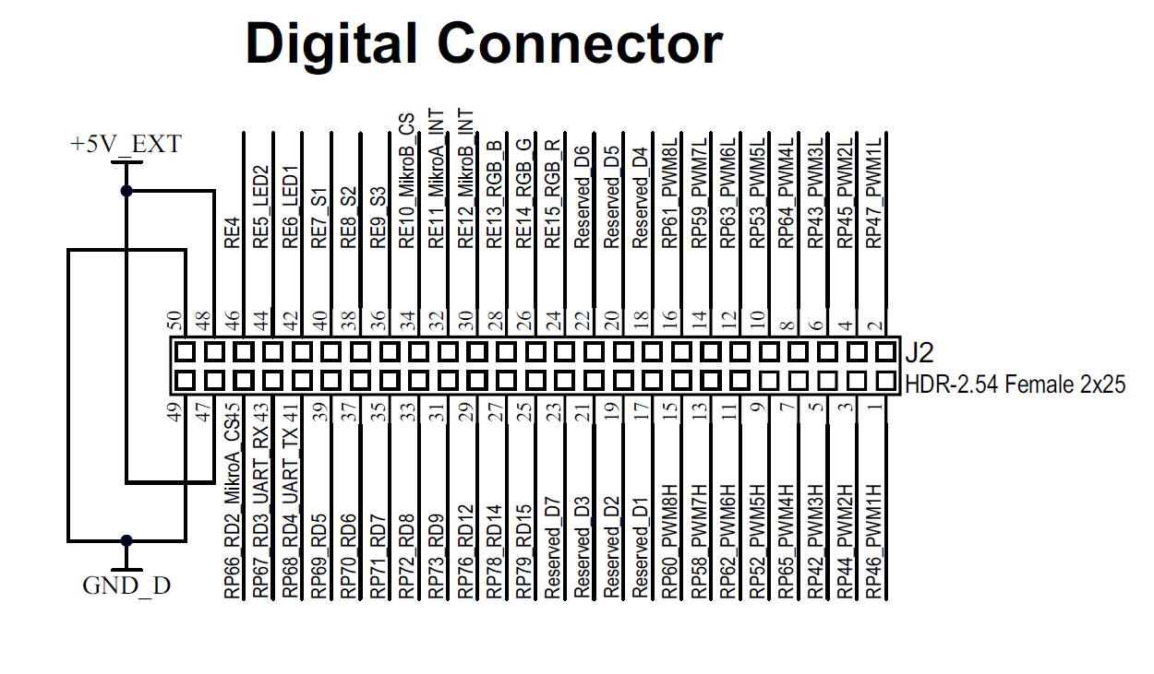
50K / 100K Hz PWM signals for Hi Drive In+ | RP46_PWM1H
50K / 100K Hz PWM signals for Lo Drive In+ | RP47_PWM1L
Hi side DSET test output | RP70_RD6
Lo side DSET test output | RP71_RD7
push botton switch for Hi side DSET test | SW1
push botton switch for Lo side DSET test | SW2
push botton switch for Reset | SW3
Input Pin for HI-Fault | RE10_MikroB_CS
Input Pin for LO-Fault | RE11_MikroA_INT
Input Pin for ALL-Fault | RE12_MikroB_INT
LED for HI-Fault | LED1
LED for LO-Fault | LED2
LED for ALL-Fault | LED3
Temperature decode | RP66_RD2
Voltage decode | RP69_RD5
Reset Output | RP72_RD8

